Placards
LOCKOUT/TAGOUT PROCEDURE
[EN] Date: 2026-08-29 · Scan for digital placard
EQUIPMENT: SKKC-100 (Kettle Corn #1 - Kettle Popcorn) |  |  |  |  |  | Kettle Popcorn
KEEP OUT! HAZARDOUS VOLTAGE AND MOVING PARTS
PLACARD-OWNER 2026-05-13: SKKC-KETTLE-BANK-A covers 1 subordinate(s).
PURPOSE |  |  |  |  | LOCKOUT APPLICATION PROCESS
This procedure establishes the minimum requirements for lockout of energy-isolating devices. It ensures equipment is stopped, isolated from all potentially hazardous energy sources, and locked out before any servicing or maintenance activities are performed. |  |  |  |  | 1. Communicate to all AFFECTED employees 2. Shut down the equipment using normal stopping procedures 3. Isolate energy sources 4. Apply lockout devices, locks, and tags 5. Release all stored energy 6. Verify equipment is de-energized by attempting to start up 7. After test, place controls in a neutral position

COLOR CODES
E = Electrical | G = Gas |  | H = Hydraulic | P = Pneumatic |  | M = Mechanical |  | T = Thermal
W = Water | S = Steam |  | V = Valve | CG = Compressed Gas |  | CP = Control Panel |  | GR = Gravity
EQUIPMENT IDENTIFICATION AND ENERGY ISOLATION PROCEDURE
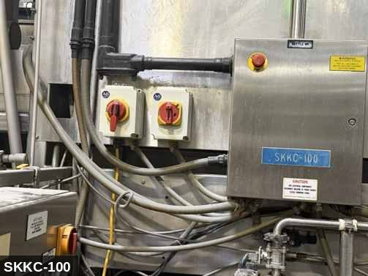 |  |  |  | 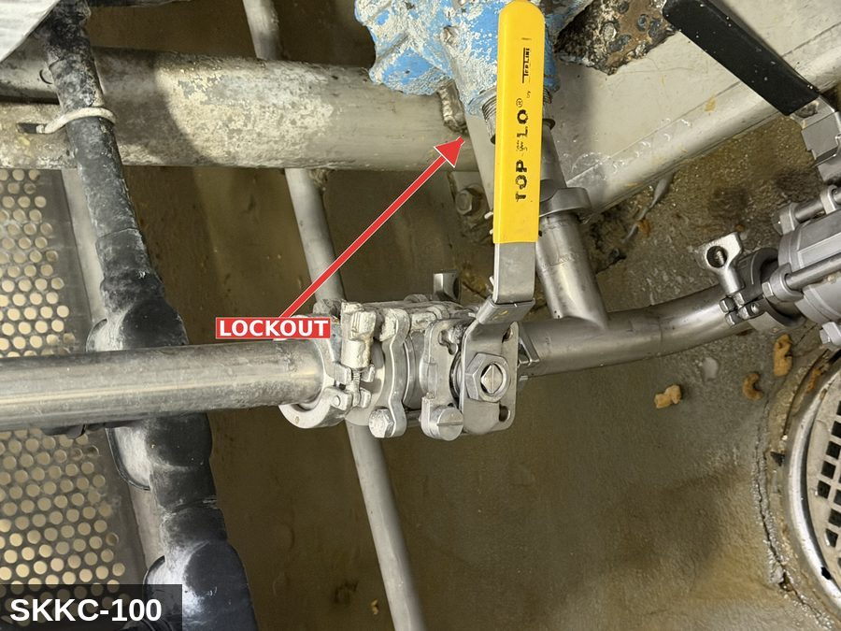

PHOTO OF EQUIPMENT |  |  |  | PHOTO OF ISOLATION / DISCONNECT
Energy Tag & Description | Isolation Procedure & Lockout Devices |  |  |  | Method of Verification
E — Electrical ISOLATE ELECTRICAL (E) — Stirred batch popcorn kettle. Paddle drive 208 VAC, fractional–2 HP. Igniter + controls 120 VAC. | ISOLATION PROCEDURE — ELECTRICAL (Kettle Corn #1, SKKC-100): 1. Notify all affected employees that LOTO is being performed on SKKC-100. 2. Allow current batch to finish; dump finished product. 3. Press STOP at HMI. 4. Open MAIN disconnect at the kettle control panel labeled SKKC-100. Apply personal padlock + tag. 5. Open and lock the CONTROL-PANEL disconnect. 6. If dump-tilt is motorized: open and lock the dump-tilt motor disconnect. If manual: block the dump latch level. |  |  |  | METHOD OF VERIFICATION — ELECTRICAL: 1. Test-before-touch at the paddle-motor terminals. 2. Attempt to start paddle at HMI — confirm no rotation. 3. Padlocks secure on every isolation point.

G — Gas ISOLATE GAS / THERMAL (G) — Natural-gas burner under kettle, ~100–250 kBTU/hr. Manual upstream gas-shutoff valve is the LOTO point per NFPA 86. Kettle surface 400–450 °F at operating temp; retains >250 °F for hours. | ISOLATION PROCEDURE — GAS & THERMAL (SKKC-100 kettle): 1. Close the manual gas-shutoff valve upstream of the burner train. 2. Apply ball-valve lockout + personal padlock + tag. 3. Bleed residual gas pressure via the pilot bleed / test port. 4. Allow kettle surfaces to cool to <60 °C; verify by IR thermometer. |  |  |  | METHOD OF VERIFICATION — GAS & THERMAL: 1. Manual gas valve closed and locked. 2. Combustible-gas indicator at bleed port reads zero. 3. Attempt burner start via HMI — confirm no ignition. 4. Kettle wall temperature <60 °C by IR thermometer before contact.

M — Mechanical ISOLATE MECHANICAL (M) — Stirrer paddle inside the kettle (pinch point at paddle hub). Dump-tilt mechanism (motorized or manual counterweight). | ISOLATION PROCEDURE — MECHANICAL: 1. After electrical and gas isolation, visually verify paddle is stationary. 2. If dump-tilt is motorized: confirm dump-motor disconnect locked. If manual: block the dump latch level. 3. Apply mechanical-isolation tag. |  |  |  | METHOD OF VERIFICATION — MECHANICAL: 1. Visually confirm paddle stationary. 2. Dump-tilt blocked or motor locked. 3. Attempt JOG at HMI — confirm no paddle rotation.

LOCKOUT REMOVAL PROCESS
1. Notify all AFFECTED employees that lockout is being removed 2. Inspect the work area to ensure tools and items have been removed 3. Verify that all employees are clear of the equipment 4. Verify that controls are in the neutral or off position |  |  |  | 5. Remove lockout devices, locks, and tags 6. Re-energize the equipment 7. Notify all AFFECTED employees that the equipment is back in service

Spanish translation on reverse — print double-sided.
Signature |  | Date |  | Dept |  |  | See PM Store in PT Folder

PROCEDIMIENTO DE BLOQUEO/ETIQUETADO
[ES] Fecha: 2026-08-29 · Escanee para placa digital
BORRADOR — NO REVISADO · traducción sin revisar
EQUIPO: SKKC-100 (Kettle Corn #1 - Kettle Popcorn) |  |  |  |  |  | Kettle Popcorn
¡MANTÉNGASE ALEJADO! VOLTAJE PELIGROSO Y PIEZAS EN MOVIMIENTO
PLACARD-OWNER 2026-05-13: SKKC-KETTLE-BANK-A covers 1 subordinate(s).
PROPÓSITO |  |  |  |  | PROCESO DE APLICACIÓN DE BLOQUEO
Este procedimiento establece los requisitos mínimos para el bloqueo de los dispositivos de aislamiento de energía. Garantiza que el equipo se detenga, se aísle de todas las fuentes de energía potencialmente peligrosas y se bloquee antes de realizar actividades de servicio o mantenimiento. |  |  |  |  | 1. Comunicar a todos los empleados AFECTADOS 2. Apagar el equipo usando procedimientos normales de parada 3. Aislar las fuentes de energía 4. Aplicar dispositivos de bloqueo, candados y etiquetas 5. Liberar toda la energía almacenada 6. Verificar que el equipo esté desenergizado intentando arrancarlo 7. Después de la prueba, colocar los controles en posición neutral

CÓDIGOS DE COLOR
E = Eléctrico | G = Gas |  | H = Hidráulico | P = Neumático |  | M = Mecánico |  | T = Térmico
W = Agua | S = Vapor |  | V = Válvula | CG = Gas Comprimido |  | CP = Panel Control |  | GR = Gravedad
IDENTIFICACIÓN DEL EQUIPO Y PROCEDIMIENTO DE AISLAMIENTO DE ENERGÍA

FOTO DEL EQUIPO |  |  |  | FOTO DE AISLAMIENTO / DESCONEXIÓN
Etiqueta y Descripción | Procedimiento de Aislamiento y Dispositivos |  |  |  | Método de Verificación
E — Eléctrico AISLAR ELECTRICAL (E) — Stirred batch popcorn kettle. Paddle drive 208 VAC, fractional–2 HP. Igniter + controls 120 VAC. | ISOLATION PROCEDURE — ELECTRICAL (Kettle Corn #1, SKKC-100): 1. Notify all affected employees that LOTO is being performed on SKKC-100. 2. Allow current batch to finish; dump finished product. 3. Press STOP at HMI. 4. Open MAIN disconnect at the kettle control panel labeled SKKC-100. Apply personal padlock + tag. 5. Open and lock the CONTROL-PANEL disconnect. 6. If dump-tilt is motorized: open and lock the dump-tilt motor disconnect. If manual: block the dump latch level. |  |  |  | METHOD OF VERIFICATION — ELECTRICAL: 1. Test-before-touch at the paddle-motor terminals. 2. Attempt to start paddle at HMI — confirm no rotation. 3. Padlocks secure on every isolation point.

G — Gas AISLAR GAS / THERMAL (G) — Natural-gas burner under kettle, ~100–250 kBTU/hr. Manual upstream gas-shutoff valve is the LOTO point per NFPA 86. Kettle surface 400–450 °F at operating temp; retains >250 °F for hours. | ISOLATION PROCEDURE — GAS & THERMAL (SKKC-100 kettle): 1. Close the manual gas-shutoff valve upstream of the burner train. 2. Apply ball-valve lockout + personal padlock + tag. 3. Bleed residual gas pressure via the pilot bleed / test port. 4. Allow kettle surfaces to cool to <60 °C; verify by IR thermometer. |  |  |  | METHOD OF VERIFICATION — GAS & THERMAL: 1. Manual gas valve closed and locked. 2. Combustible-gas indicator at bleed port reads zero. 3. Attempt burner start via HMI — confirm no ignition. 4. Kettle wall temperature <60 °C by IR thermometer before contact.

M — Mecánico AISLAR MECHANICAL (M) — Stirrer paddle inside the kettle (pinch point at paddle hub). Dump-tilt mechanism (motorized or manual counterweight). | ISOLATION PROCEDURE — MECHANICAL: 1. After electrical and gas isolation, visually verify paddle is stationary. 2. If dump-tilt is motorized: confirm dump-motor disconnect locked. If manual: block the dump latch level. 3. Apply mechanical-isolation tag. |  |  |  | METHOD OF VERIFICATION — MECHANICAL: 1. Visually confirm paddle stationary. 2. Dump-tilt blocked or motor locked. 3. Attempt JOG at HMI — confirm no paddle rotation.

PROCESO DE REMOCIÓN DE BLOQUEO
1. Notificar a todos los empleados AFECTADOS que se está retirando el bloqueo 2. Inspeccionar el área de trabajo para asegurar que se hayan retirado herramientas y objetos 3. Verificar que todos los empleados estén lejos del equipo 4. Verificar que los controles estén en posición neutral o apagada |  |  |  | 5. Retirar los dispositivos de bloqueo, candados y etiquetas 6. Volver a energizar el equipo 7. Notificar a los empleados AFECTADOS que el equipo está de vuelta en servicio

Traducción al inglés al reverso — imprimir a doble cara.
Firma |  | Fecha |  | Depto |  |  | Ver PM Store en carpeta PT

LOCKOUT/TAGOUT PROCEDURE
[EN] Date: 2026-08-29 · Scan for digital placard
EQUIPMENT: SKKC-120 (Kettle Corn #2 - Kettle Popcorn) |  |  |  |  |  | Kettle Popcorn
KEEP OUT! HAZARDOUS VOLTAGE AND MOVING PARTS
This equipment must be locked out and tagged out before servicing or maintenance. Follow the procedure below to isolate all energy sources.
PURPOSE |  |  |  |  | LOCKOUT APPLICATION PROCESS
This procedure establishes the minimum requirements for lockout of energy-isolating devices. It ensures equipment is stopped, isolated from all potentially hazardous energy sources, and locked out before any servicing or maintenance activities are performed. |  |  |  |  | 1. Communicate to all AFFECTED employees 2. Shut down the equipment using normal stopping procedures 3. Isolate energy sources 4. Apply lockout devices, locks, and tags 5. Release all stored energy 6. Verify equipment is de-energized by attempting to start up 7. After test, place controls in a neutral position

COLOR CODES
E = Electrical | G = Gas |  | H = Hydraulic | P = Pneumatic |  | M = Mechanical |  | T = Thermal
W = Water | S = Steam |  | V = Valve | CG = Compressed Gas |  | CP = Control Panel |  | GR = Gravity
EQUIPMENT IDENTIFICATION AND ENERGY ISOLATION PROCEDURE
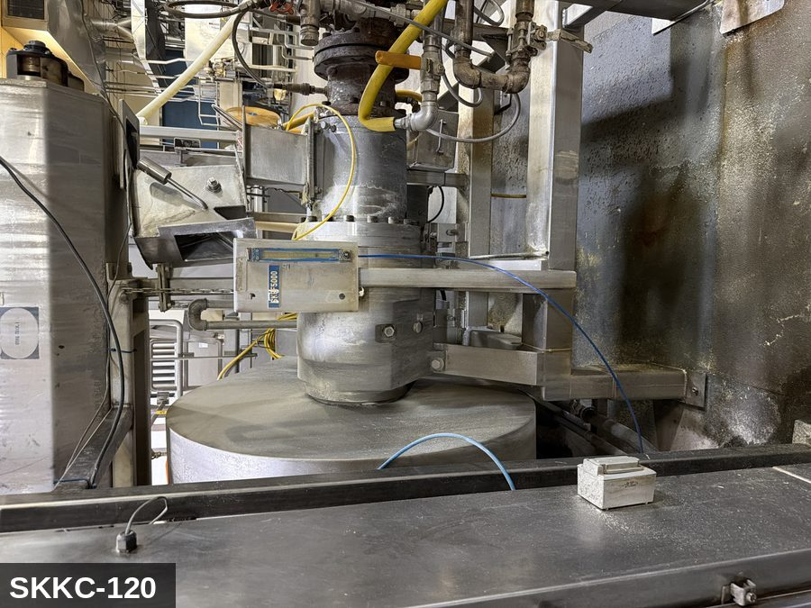 |  |  |  | 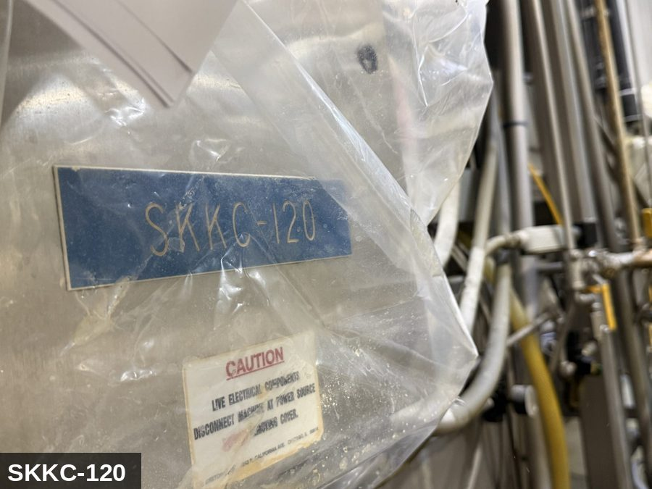

PHOTO OF EQUIPMENT |  |  |  | PHOTO OF ISOLATION / DISCONNECT
Energy Tag & Description | Isolation Procedure & Lockout Devices |  |  |  | Method of Verification
G — Gas ISOLATE ENERGY TAG & DESCRIPTION — G: GAS (G) — Natural-gas supply to the kettle burner. Manual ball-valve in the gas line is the LOTO point per NFPA 86 — the safety shut-off valve (SSOV) is NOT a lockout-acceptable isolation device. Residual gas in pipework after isolation. | ISOLATION PROCEDURE — GAS: 1. After electrical isolation per the E procedure, locate the MANUAL gas-shutoff valve serving Kettle Corn #2 (SKKC-120). This is the upstream ball or plug valve — NOT the automatic safety shut-off valve (SSOV). 2. Close the manual gas valve fully (handle perpendicular to pipe). 3. Apply a valve-lockout device (ball-valve lockout or chain-and-lock) and a personal padlock in the CLOSED position. 4. Apply a lockout tag with date, time, name, and reason. 5. Bleed residual gas pressure between the closed manual valve and the burner via the pilot bleed line or test-port (if present). Do NOT open burner connections to bleed. 6. Per NFPA 86, the SSOV alone does NOT meet LOTO — the manual upstream valve must be locked. Per Cal/OSHA §3314, gas is hazardous energy and requires the same group-LOTO discipline as electrical. |  |  |  | METHOD OF VERIFICATION — GAS: 1. Verify the manual gas-shutoff valve is closed (handle perpendicular to pipe) and locked. 2. Confirm the lockout device is rated for the valve handle and cannot be defeated without cutting the lock. 3. Use a calibrated combustible-gas indicator at the bleed port / pilot disconnect — confirm no gas reading downstream of the closed valve. 4. Attempt to start the burner via the control panel — confirm no ignition (the SSOV will open, but no gas reaches the burner because the manual valve is closed). 5. Physically verify the padlock is secure and the lockout tag is legible. NOTE: this verification does NOT rely on the SSOV. The SSOV is an automatic safety device; for service LOTO, only the manually-operable upstream valve counts as isolation per NFPA 86.

M — Mechanical ISOLATE ENERGY TAG & DESCRIPTION — M: MECHANICAL (M) — Stirrer paddle, drive sprockets, dump-tilt actuator (if motorized). Pinch points around the paddle hub. Hot kettle surfaces. | ISOLATION PROCEDURE — MECHANICAL: 1. After electrical isolation per the E procedure, manually verify all rotating/reciprocating components of Kettle Corn #2 (SKKC-120) have completely stopped. 2. Identify residual stored mechanical energy: chain tension, eccentric flywheel/cam momentum, spring-loaded covers and doors. 3. Block, chock, or pin any component that could move under its own weight or stored energy. 4. Where applicable install drive-shaft pins or transmission locks; release belt/chain tension before reaching past the guarding. 5. Apply a lockout tag at the point of mechanical work identifying the worker and the hazard. Cal/OSHA §3314 construes 'minor servicing' narrowly — default to full LOTO including mechanical blocking; do NOT rely solely on the electrical disconnect. |  |  |  | METHOD OF VERIFICATION — MECHANICAL: 1. Visually confirm all rotating and reciprocating components have completely stopped — full coast-down completed. 2. For high-speed servo equipment (case packers, palletizers): wait the manufacturer-specified coast-down before reaching past the guarding. 3. Attempt to manually rotate drive shafts at the input side or jog the system — confirm no movement or kickback. 4. Physically inspect blocks, chocks, or pins for engagement. 5. Confirm belt/chain tension has been released where applicable.

E — Electrical ISOLATE ENERGY TAG & DESCRIPTION — E: ELECTRICAL (E) — 208V/480V to stirrer/paddle drive motor, igniter, gas-valve solenoid, controls, sensors. | ISOLATION PROCEDURE & LOCKOUT DEVICES — ELECTRICAL: 1. Notify all affected employees that LOTO is being performed on Kettle Corn #2 (SKKC-120). 2. Complete the current cycle and press STOP, then E-STOP. 3. Locate the main electrical disconnect serving this equipment (labeled to the equipment). 4. Open the disconnect to the OFF position. 5. Apply a lockout device through the disconnect handle. Each authorized worker applies their own personal padlock (group-lock hasp if more than one worker) per Cal/OSHA §3314(k). 6. Apply a lockout tag with date, time, name, and reason. 7. If the equipment uses servo drives or VFDs, allow 5 minutes for DC-bus capacitors to discharge before opening any drive enclosure. |  |  |  | METHOD OF VERIFICATION — ELECTRICAL: 1. Use a calibrated voltage tester following the test-before-touch protocol per OSHA 1910.333: test the meter on a known live source, test the disconnect line/load terminals, then re-test the meter on the known live source. 2. Verify zero voltage at the motor or servo terminals downstream of the disconnect. 3. For servo drives / VFDs: confirm DC-bus capacitors have discharged (5-minute minimum) before opening drive enclosure. 4. Attempt to start the equipment from the control panel and HMI — confirm no response. 5. Physically verify all padlocks are secure and lockout tags are legible.

LOCKOUT REMOVAL PROCESS
1. Notify all AFFECTED employees that lockout is being removed 2. Inspect the work area to ensure tools and items have been removed 3. Verify that all employees are clear of the equipment 4. Verify that controls are in the neutral or off position |  |  |  | 5. Remove lockout devices, locks, and tags 6. Re-energize the equipment 7. Notify all AFFECTED employees that the equipment is back in service

Spanish translation on reverse — print double-sided.
Signature |  | Date |  | Dept |  |  | See PM Store in PT Folder

PROCEDIMIENTO DE BLOQUEO/ETIQUETADO
[ES] Fecha: 2026-08-29 · Escanee para placa digital
BORRADOR — NO REVISADO · traducción sin revisar
EQUIPO: SKKC-120 (Kettle Corn #2 - Kettle Popcorn) |  |  |  |  |  | Kettle Popcorn
¡MANTÉNGASE ALEJADO! VOLTAJE PELIGROSO Y PIEZAS EN MOVIMIENTO
Este equipo debe bloquearse y etiquetarse antes de darle servicio o mantenimiento. Siga el procedimiento a continuación para aislar todas las fuentes de energía.
PROPÓSITO |  |  |  |  | PROCESO DE APLICACIÓN DE BLOQUEO
Este procedimiento establece los requisitos mínimos para el bloqueo de los dispositivos de aislamiento de energía. Garantiza que el equipo se detenga, se aísle de todas las fuentes de energía potencialmente peligrosas y se bloquee antes de realizar actividades de servicio o mantenimiento. |  |  |  |  | 1. Comunicar a todos los empleados AFECTADOS 2. Apagar el equipo usando procedimientos normales de parada 3. Aislar las fuentes de energía 4. Aplicar dispositivos de bloqueo, candados y etiquetas 5. Liberar toda la energía almacenada 6. Verificar que el equipo esté desenergizado intentando arrancarlo 7. Después de la prueba, colocar los controles en posición neutral

CÓDIGOS DE COLOR
E = Eléctrico | G = Gas |  | H = Hidráulico | P = Neumático |  | M = Mecánico |  | T = Térmico
W = Agua | S = Vapor |  | V = Válvula | CG = Gas Comprimido |  | CP = Panel Control |  | GR = Gravedad
IDENTIFICACIÓN DEL EQUIPO Y PROCEDIMIENTO DE AISLAMIENTO DE ENERGÍA

FOTO DEL EQUIPO |  |  |  | FOTO DE AISLAMIENTO / DESCONEXIÓN
Etiqueta y Descripción | Procedimiento de Aislamiento y Dispositivos |  |  |  | Método de Verificación
G — Gas AISLAR ETIQUETA DE ENERGÍA Y DESCRIPCIÓN — G: GAS (G) — Suministro de gas natural al quemador del caldero. La válvula manual de bola en la línea de gas es el punto de LOTO per NFPA 86 — la válvula de seguridad de cierre automático (SSOV) NO es un dispositivo aceptable de aislamiento de bloqueo. Gas residual en la tubería después del aislamiento. | PROCEDIMIENTO DE AISLAMIENTO — GAS: 1. Después del aislamiento eléctrico per el procedimiento E, localice la válvula MANUAL de corte de gas que sirve a Kettle Corn #2 (SKKC-120). Esta es la válvula de bola o tapón aguas arriba — NO la válvula de seguridad de cierre automático (SSOV). 2. Cierre la válvula manual de gas por completo (manija perpendicular a la tubería). 3. Aplique un dispositivo de bloqueo de válvula (bloqueo de válvula de bola o cadena con candado) y un candado personal en la posición CERRADA. 4. Aplique etiqueta de bloqueo con fecha, hora, nombre y razón. 5. Purgue la presión residual de gas entre la válvula manual cerrada y el quemador a través de la línea de purga del piloto o el puerto de prueba (si está presente). NO abra conexiones del quemador para purgar. 6. Per NFPA 86, la SSOV sola NO cumple con LOTO — la válvula manual aguas arriba debe ser bloqueada. Per Cal/OSHA §3314, el gas es energía peligrosa y requiere la misma disciplina LOTO grupal que el aislamiento eléctrico. |  |  |  | MÉTODO DE VERIFICACIÓN — GAS: 1. Verifique que la válvula manual de corte de gas está cerrada (manija perpendicular a la tubería) y bloqueada. 2. Confirme que el dispositivo de bloqueo está calificado para la manija de la válvula y no puede ser vencido sin cortar el candado. 3. Use un indicador calibrado de gas combustible en el puerto de purga / desconexión del piloto — confirme que no hay lectura de gas aguas abajo de la válvula cerrada. 4. Intente arrancar el quemador desde el panel de control — confirme que no hay encendido (la SSOV abrirá, pero no llega gas al quemador porque la válvula manual está cerrada). 5. Verifique físicamente que el candado esté seguro y la etiqueta de bloqueo sea legible. NOTA: esta verificación NO depende de la SSOV. La SSOV es un dispositivo automático de seguridad; para servicio LOTO, sólo la válvula manual aguas arriba cuenta como aislamiento per NFPA 86.

M — Mecánico AISLAR ETIQUETA DE ENERGÍA Y DESCRIPCIÓN — M: MECÁNICO (M) — Paleta agitadora, ruedas dentadas, actuador de inclinación de vaciado (si está motorizado). Puntos de pellizco alrededor del cubo de la paleta. Superficies calientes del caldero. | PROCEDIMIENTO DE AISLAMIENTO — MECÁNICO: 1. Después del aislamiento eléctrico per el procedimiento E, verifique manualmente que todos los componentes rotativos/reciprocantes de Kettle Corn #2 (SKKC-120) hayan parado completamente. 2. Identifique energía mecánica almacenada residual: tensión de cadena, inercia excéntrica de volante/leva, cubiertas y puertas accionadas por resorte. 3. Bloquee, calce o pase pasadores a cualquier componente que pudiera moverse por su propio peso o energía almacenada. 4. Donde aplique, instale pasadores en el eje de impulsión o bloqueos de transmisión; libere la tensión de banda/cadena antes de alcanzar más allá del guardado. 5. Aplique etiqueta de bloqueo en el punto de trabajo mecánico identificando al trabajador y al peligro. Cal/OSHA §3314 interpreta la excepción de "servicio menor" en forma estrecha — por defecto LOTO completo incluyendo bloqueo mecánico; NO confíe únicamente en el desconectador eléctrico. |  |  |  | MÉTODO DE VERIFICACIÓN — MECÁNICO: 1. Confirme visualmente que todos los componentes rotativos y reciprocantes han parado por completo — desaceleración completa concluida. 2. Para equipo servo de alta velocidad (empacadoras de cajas, paletizadores): espere la desaceleración especificada por el fabricante antes de alcanzar más allá del guardado. 3. Intente girar manualmente los ejes de impulsión en el lado de entrada o impulsar el sistema — confirme que no hay movimiento ni retroceso. 4. Inspeccione físicamente los bloques, calzas o pasadores en su acoplamiento. 5. Confirme que la tensión de banda/cadena ha sido liberada donde aplique.

E — Eléctrico AISLAR ETIQUETA DE ENERGÍA Y DESCRIPCIÓN — E: ELÉCTRICO (E) — 208V/480V al motor de la paleta agitadora, encendedor, solenoide de válvula de gas, controles, sensores. | PROCEDIMIENTO DE AISLAMIENTO Y DISPOSITIVOS DE BLOQUEO — ELÉCTRICO: 1. Notifique a todos los empleados afectados que se está realizando LOTO en Kettle Corn #2 (SKKC-120). 2. Complete el ciclo actual y presione PARO, luego PARO DE EMERGENCIA. 3. Localice el desconectador eléctrico principal que sirve este equipo (etiquetado al equipo). 4. Abra el desconectador a la posición OFF. 5. Aplique un dispositivo de bloqueo a través de la manija del desconectador. Cada trabajador autorizado aplica su propio candado personal (broche de candado grupal si hay más de un trabajador) per Cal/OSHA §3314(k). 6. Aplique etiqueta de bloqueo con fecha, hora, nombre y razón. 7. Si el equipo usa servo-drives o VFDs, permita 5 minutos para que los capacitores del bus DC se descarguen antes de abrir cualquier gabinete de drive. |  |  |  | MÉTODO DE VERIFICACIÓN — ELÉCTRICO: 1. Use un comprobador de voltaje calibrado siguiendo el protocolo "probar antes de tocar" per OSHA 1910.333: pruebe el medidor en una fuente viva conocida, pruebe los terminales de línea/carga del desconectador, luego re-pruebe el medidor en la fuente viva conocida. 2. Verifique cero voltaje en los terminales del motor o servo aguas abajo del desconectador. 3. Para servo-drives / VFDs: confirme que los capacitores del bus DC se han descargado (5 minutos mínimo) antes de abrir el gabinete del drive. 4. Intente arrancar el equipo desde el panel de control y HMI — confirme que no hay respuesta. 5. Verifique físicamente que todos los candados estén seguros y las etiquetas de bloqueo sean legibles.

PROCESO DE REMOCIÓN DE BLOQUEO
1. Notificar a todos los empleados AFECTADOS que se está retirando el bloqueo 2. Inspeccionar el área de trabajo para asegurar que se hayan retirado herramientas y objetos 3. Verificar que todos los empleados estén lejos del equipo 4. Verificar que los controles estén en posición neutral o apagada |  |  |  | 5. Retirar los dispositivos de bloqueo, candados y etiquetas 6. Volver a energizar el equipo 7. Notificar a los empleados AFECTADOS que el equipo está de vuelta en servicio

Traducción al inglés al reverso — imprimir a doble cara.
Firma |  | Fecha |  | Depto |  |  | Ver PM Store en carpeta PT

LOCKOUT/TAGOUT PROCEDURE
[EN] Date: 2026-08-29 · Scan for digital placard
EQUIPMENT: SKKC-140 (Kettle Corn #3 - Kettle Popcorn) |  |  |  |  |  | Kettle Popcorn
KEEP OUT! HAZARDOUS VOLTAGE AND MOVING PARTS
This equipment must be locked out and tagged out before servicing or maintenance. Follow the procedure below to isolate all energy sources.
PURPOSE |  |  |  |  | LOCKOUT APPLICATION PROCESS
This procedure establishes the minimum requirements for lockout of energy-isolating devices. It ensures equipment is stopped, isolated from all potentially hazardous energy sources, and locked out before any servicing or maintenance activities are performed. |  |  |  |  | 1. Communicate to all AFFECTED employees 2. Shut down the equipment using normal stopping procedures 3. Isolate energy sources 4. Apply lockout devices, locks, and tags 5. Release all stored energy 6. Verify equipment is de-energized by attempting to start up 7. After test, place controls in a neutral position

COLOR CODES
E = Electrical | G = Gas |  | H = Hydraulic | P = Pneumatic |  | M = Mechanical |  | T = Thermal
W = Water | S = Steam |  | V = Valve | CG = Compressed Gas |  | CP = Control Panel |  | GR = Gravity
EQUIPMENT IDENTIFICATION AND ENERGY ISOLATION PROCEDURE
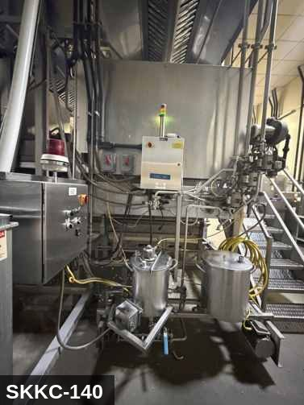

PHOTO OF EQUIPMENT |  |  |  | PHOTO OF ISOLATION / DISCONNECT
Energy Tag & Description | Isolation Procedure & Lockout Devices |  |  |  | Method of Verification
M — Mechanical ISOLATE ENERGY TAG & DESCRIPTION — M: MECHANICAL (M) — Stirrer paddle, drive sprockets, dump-tilt actuator (if motorized). Pinch points around the paddle hub. Hot kettle surfaces. | ISOLATION PROCEDURE — MECHANICAL: 1. After electrical isolation per the E procedure, manually verify all rotating/reciprocating components of Kettle Corn #3 (SKKC-140) have completely stopped. 2. Identify residual stored mechanical energy: chain tension, eccentric flywheel/cam momentum, spring-loaded covers and doors. 3. Block, chock, or pin any component that could move under its own weight or stored energy. 4. Where applicable install drive-shaft pins or transmission locks; release belt/chain tension before reaching past the guarding. 5. Apply a lockout tag at the point of mechanical work identifying the worker and the hazard. Cal/OSHA §3314 construes 'minor servicing' narrowly — default to full LOTO including mechanical blocking; do NOT rely solely on the electrical disconnect. |  |  |  | METHOD OF VERIFICATION — MECHANICAL: 1. Visually confirm all rotating and reciprocating components have completely stopped — full coast-down completed. 2. For high-speed servo equipment (case packers, palletizers): wait the manufacturer-specified coast-down before reaching past the guarding. 3. Attempt to manually rotate drive shafts at the input side or jog the system — confirm no movement or kickback. 4. Physically inspect blocks, chocks, or pins for engagement. 5. Confirm belt/chain tension has been released where applicable.

G — Gas ISOLATE ENERGY TAG & DESCRIPTION — G: GAS (G) — Natural-gas supply to the kettle burner. Manual ball-valve in the gas line is the LOTO point per NFPA 86 — the safety shut-off valve (SSOV) is NOT a lockout-acceptable isolation device. Residual gas in pipework after isolation. | ISOLATION PROCEDURE — GAS: 1. After electrical isolation per the E procedure, locate the MANUAL gas-shutoff valve serving Kettle Corn #3 (SKKC-140). This is the upstream ball or plug valve — NOT the automatic safety shut-off valve (SSOV). 2. Close the manual gas valve fully (handle perpendicular to pipe). 3. Apply a valve-lockout device (ball-valve lockout or chain-and-lock) and a personal padlock in the CLOSED position. 4. Apply a lockout tag with date, time, name, and reason. 5. Bleed residual gas pressure between the closed manual valve and the burner via the pilot bleed line or test-port (if present). Do NOT open burner connections to bleed. 6. Per NFPA 86, the SSOV alone does NOT meet LOTO — the manual upstream valve must be locked. Per Cal/OSHA §3314, gas is hazardous energy and requires the same group-LOTO discipline as electrical. |  |  |  | METHOD OF VERIFICATION — GAS: 1. Verify the manual gas-shutoff valve is closed (handle perpendicular to pipe) and locked. 2. Confirm the lockout device is rated for the valve handle and cannot be defeated without cutting the lock. 3. Use a calibrated combustible-gas indicator at the bleed port / pilot disconnect — confirm no gas reading downstream of the closed valve. 4. Attempt to start the burner via the control panel — confirm no ignition (the SSOV will open, but no gas reaches the burner because the manual valve is closed). 5. Physically verify the padlock is secure and the lockout tag is legible. NOTE: this verification does NOT rely on the SSOV. The SSOV is an automatic safety device; for service LOTO, only the manually-operable upstream valve counts as isolation per NFPA 86.

E — Electrical ISOLATE ENERGY TAG & DESCRIPTION — E: ELECTRICAL (E) — 208V/480V to stirrer/paddle drive motor, igniter, gas-valve solenoid, controls, sensors. | ISOLATION PROCEDURE & LOCKOUT DEVICES — ELECTRICAL: 1. Notify all affected employees that LOTO is being performed on Kettle Corn #3 (SKKC-140). 2. Complete the current cycle and press STOP, then E-STOP. 3. Locate the main electrical disconnect serving this equipment (labeled to the equipment). 4. Open the disconnect to the OFF position. 5. Apply a lockout device through the disconnect handle. Each authorized worker applies their own personal padlock (group-lock hasp if more than one worker) per Cal/OSHA §3314(k). 6. Apply a lockout tag with date, time, name, and reason. 7. If the equipment uses servo drives or VFDs, allow 5 minutes for DC-bus capacitors to discharge before opening any drive enclosure. |  |  |  | METHOD OF VERIFICATION — ELECTRICAL: 1. Use a calibrated voltage tester following the test-before-touch protocol per OSHA 1910.333: test the meter on a known live source, test the disconnect line/load terminals, then re-test the meter on the known live source. 2. Verify zero voltage at the motor or servo terminals downstream of the disconnect. 3. For servo drives / VFDs: confirm DC-bus capacitors have discharged (5-minute minimum) before opening drive enclosure. 4. Attempt to start the equipment from the control panel and HMI — confirm no response. 5. Physically verify all padlocks are secure and lockout tags are legible.

LOCKOUT REMOVAL PROCESS
1. Notify all AFFECTED employees that lockout is being removed 2. Inspect the work area to ensure tools and items have been removed 3. Verify that all employees are clear of the equipment 4. Verify that controls are in the neutral or off position |  |  |  | 5. Remove lockout devices, locks, and tags 6. Re-energize the equipment 7. Notify all AFFECTED employees that the equipment is back in service

Spanish translation on reverse — print double-sided.
Signature |  | Date |  | Dept |  |  | See PM Store in PT Folder

PROCEDIMIENTO DE BLOQUEO/ETIQUETADO
[ES] Fecha: 2026-08-29 · Escanee para placa digital
BORRADOR — NO REVISADO · traducción sin revisar
EQUIPO: SKKC-140 (Kettle Corn #3 - Kettle Popcorn) |  |  |  |  |  | Kettle Popcorn
¡MANTÉNGASE ALEJADO! VOLTAJE PELIGROSO Y PIEZAS EN MOVIMIENTO
Este equipo debe bloquearse y etiquetarse antes de darle servicio o mantenimiento. Siga el procedimiento a continuación para aislar todas las fuentes de energía.
PROPÓSITO |  |  |  |  | PROCESO DE APLICACIÓN DE BLOQUEO
Este procedimiento establece los requisitos mínimos para el bloqueo de los dispositivos de aislamiento de energía. Garantiza que el equipo se detenga, se aísle de todas las fuentes de energía potencialmente peligrosas y se bloquee antes de realizar actividades de servicio o mantenimiento. |  |  |  |  | 1. Comunicar a todos los empleados AFECTADOS 2. Apagar el equipo usando procedimientos normales de parada 3. Aislar las fuentes de energía 4. Aplicar dispositivos de bloqueo, candados y etiquetas 5. Liberar toda la energía almacenada 6. Verificar que el equipo esté desenergizado intentando arrancarlo 7. Después de la prueba, colocar los controles en posición neutral

CÓDIGOS DE COLOR
E = Eléctrico | G = Gas |  | H = Hidráulico | P = Neumático |  | M = Mecánico |  | T = Térmico
W = Agua | S = Vapor |  | V = Válvula | CG = Gas Comprimido |  | CP = Panel Control |  | GR = Gravedad
IDENTIFICACIÓN DEL EQUIPO Y PROCEDIMIENTO DE AISLAMIENTO DE ENERGÍA

FOTO DEL EQUIPO |  |  |  | FOTO DE AISLAMIENTO / DESCONEXIÓN
Etiqueta y Descripción | Procedimiento de Aislamiento y Dispositivos |  |  |  | Método de Verificación
M — Mecánico AISLAR ETIQUETA DE ENERGÍA Y DESCRIPCIÓN — M: MECÁNICO (M) — Paleta agitadora, ruedas dentadas, actuador de inclinación de vaciado (si está motorizado). Puntos de pellizco alrededor del cubo de la paleta. Superficies calientes del caldero. | PROCEDIMIENTO DE AISLAMIENTO — MECÁNICO: 1. Después del aislamiento eléctrico per el procedimiento E, verifique manualmente que todos los componentes rotativos/reciprocantes de Kettle Corn #3 (SKKC-140) hayan parado completamente. 2. Identifique energía mecánica almacenada residual: tensión de cadena, inercia excéntrica de volante/leva, cubiertas y puertas accionadas por resorte. 3. Bloquee, calce o pase pasadores a cualquier componente que pudiera moverse por su propio peso o energía almacenada. 4. Donde aplique, instale pasadores en el eje de impulsión o bloqueos de transmisión; libere la tensión de banda/cadena antes de alcanzar más allá del guardado. 5. Aplique etiqueta de bloqueo en el punto de trabajo mecánico identificando al trabajador y al peligro. Cal/OSHA §3314 interpreta la excepción de "servicio menor" en forma estrecha — por defecto LOTO completo incluyendo bloqueo mecánico; NO confíe únicamente en el desconectador eléctrico. |  |  |  | MÉTODO DE VERIFICACIÓN — MECÁNICO: 1. Confirme visualmente que todos los componentes rotativos y reciprocantes han parado por completo — desaceleración completa concluida. 2. Para equipo servo de alta velocidad (empacadoras de cajas, paletizadores): espere la desaceleración especificada por el fabricante antes de alcanzar más allá del guardado. 3. Intente girar manualmente los ejes de impulsión en el lado de entrada o impulsar el sistema — confirme que no hay movimiento ni retroceso. 4. Inspeccione físicamente los bloques, calzas o pasadores en su acoplamiento. 5. Confirme que la tensión de banda/cadena ha sido liberada donde aplique.

G — Gas AISLAR ETIQUETA DE ENERGÍA Y DESCRIPCIÓN — G: GAS (G) — Suministro de gas natural al quemador del caldero. La válvula manual de bola en la línea de gas es el punto de LOTO per NFPA 86 — la válvula de seguridad de cierre automático (SSOV) NO es un dispositivo aceptable de aislamiento de bloqueo. Gas residual en la tubería después del aislamiento. | PROCEDIMIENTO DE AISLAMIENTO — GAS: 1. Después del aislamiento eléctrico per el procedimiento E, localice la válvula MANUAL de corte de gas que sirve a Kettle Corn #3 (SKKC-140). Esta es la válvula de bola o tapón aguas arriba — NO la válvula de seguridad de cierre automático (SSOV). 2. Cierre la válvula manual de gas por completo (manija perpendicular a la tubería). 3. Aplique un dispositivo de bloqueo de válvula (bloqueo de válvula de bola o cadena con candado) y un candado personal en la posición CERRADA. 4. Aplique etiqueta de bloqueo con fecha, hora, nombre y razón. 5. Purgue la presión residual de gas entre la válvula manual cerrada y el quemador a través de la línea de purga del piloto o el puerto de prueba (si está presente). NO abra conexiones del quemador para purgar. 6. Per NFPA 86, la SSOV sola NO cumple con LOTO — la válvula manual aguas arriba debe ser bloqueada. Per Cal/OSHA §3314, el gas es energía peligrosa y requiere la misma disciplina LOTO grupal que el aislamiento eléctrico. |  |  |  | MÉTODO DE VERIFICACIÓN — GAS: 1. Verifique que la válvula manual de corte de gas está cerrada (manija perpendicular a la tubería) y bloqueada. 2. Confirme que el dispositivo de bloqueo está calificado para la manija de la válvula y no puede ser vencido sin cortar el candado. 3. Use un indicador calibrado de gas combustible en el puerto de purga / desconexión del piloto — confirme que no hay lectura de gas aguas abajo de la válvula cerrada. 4. Intente arrancar el quemador desde el panel de control — confirme que no hay encendido (la SSOV abrirá, pero no llega gas al quemador porque la válvula manual está cerrada). 5. Verifique físicamente que el candado esté seguro y la etiqueta de bloqueo sea legible. NOTA: esta verificación NO depende de la SSOV. La SSOV es un dispositivo automático de seguridad; para servicio LOTO, sólo la válvula manual aguas arriba cuenta como aislamiento per NFPA 86.

E — Eléctrico AISLAR ETIQUETA DE ENERGÍA Y DESCRIPCIÓN — E: ELÉCTRICO (E) — 208V/480V al motor de la paleta agitadora, encendedor, solenoide de válvula de gas, controles, sensores. | PROCEDIMIENTO DE AISLAMIENTO Y DISPOSITIVOS DE BLOQUEO — ELÉCTRICO: 1. Notifique a todos los empleados afectados que se está realizando LOTO en Kettle Corn #3 (SKKC-140). 2. Complete el ciclo actual y presione PARO, luego PARO DE EMERGENCIA. 3. Localice el desconectador eléctrico principal que sirve este equipo (etiquetado al equipo). 4. Abra el desconectador a la posición OFF. 5. Aplique un dispositivo de bloqueo a través de la manija del desconectador. Cada trabajador autorizado aplica su propio candado personal (broche de candado grupal si hay más de un trabajador) per Cal/OSHA §3314(k). 6. Aplique etiqueta de bloqueo con fecha, hora, nombre y razón. 7. Si el equipo usa servo-drives o VFDs, permita 5 minutos para que los capacitores del bus DC se descarguen antes de abrir cualquier gabinete de drive. |  |  |  | MÉTODO DE VERIFICACIÓN — ELÉCTRICO: 1. Use un comprobador de voltaje calibrado siguiendo el protocolo "probar antes de tocar" per OSHA 1910.333: pruebe el medidor en una fuente viva conocida, pruebe los terminales de línea/carga del desconectador, luego re-pruebe el medidor en la fuente viva conocida. 2. Verifique cero voltaje en los terminales del motor o servo aguas abajo del desconectador. 3. Para servo-drives / VFDs: confirme que los capacitores del bus DC se han descargado (5 minutos mínimo) antes de abrir el gabinete del drive. 4. Intente arrancar el equipo desde el panel de control y HMI — confirme que no hay respuesta. 5. Verifique físicamente que todos los candados estén seguros y las etiquetas de bloqueo sean legibles.

PROCESO DE REMOCIÓN DE BLOQUEO
1. Notificar a todos los empleados AFECTADOS que se está retirando el bloqueo 2. Inspeccionar el área de trabajo para asegurar que se hayan retirado herramientas y objetos 3. Verificar que todos los empleados estén lejos del equipo 4. Verificar que los controles estén en posición neutral o apagada |  |  |  | 5. Retirar los dispositivos de bloqueo, candados y etiquetas 6. Volver a energizar el equipo 7. Notificar a los empleados AFECTADOS que el equipo está de vuelta en servicio

Traducción al inglés al reverso — imprimir a doble cara.
Firma |  | Fecha |  | Depto |  |  | Ver PM Store en carpeta PT

LOCKOUT/TAGOUT PROCEDURE
[EN] Date: 2026-08-29 · Scan for digital placard
EQUIPMENT: SKKC-200 (Screw Conveyor - Kettle Popcorn) |  |  |  |  |  | Kettle Popcorn
KEEP OUT! HAZARDOUS VOLTAGE AND MOVING PARTS
PLACARD-OWNER 2026-05-13: SKKC-CONVEYOR-BANK covers 3 subordinate(s).
PURPOSE |  |  |  |  | LOCKOUT APPLICATION PROCESS
This procedure establishes the minimum requirements for lockout of energy-isolating devices. It ensures equipment is stopped, isolated from all potentially hazardous energy sources, and locked out before any servicing or maintenance activities are performed. |  |  |  |  | 1. Communicate to all AFFECTED employees 2. Shut down the equipment using normal stopping procedures 3. Isolate energy sources 4. Apply lockout devices, locks, and tags 5. Release all stored energy 6. Verify equipment is de-energized by attempting to start up 7. After test, place controls in a neutral position

COLOR CODES
E = Electrical | G = Gas |  | H = Hydraulic | P = Pneumatic |  | M = Mechanical |  | T = Thermal
W = Water | S = Steam |  | V = Valve | CG = Compressed Gas |  | CP = Control Panel |  | GR = Gravity
EQUIPMENT IDENTIFICATION AND ENERGY ISOLATION PROCEDURE
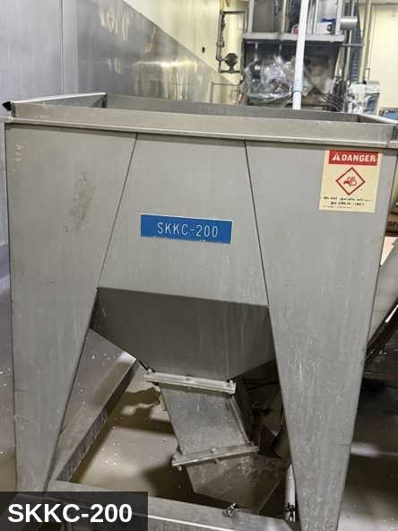 |  |  |  | 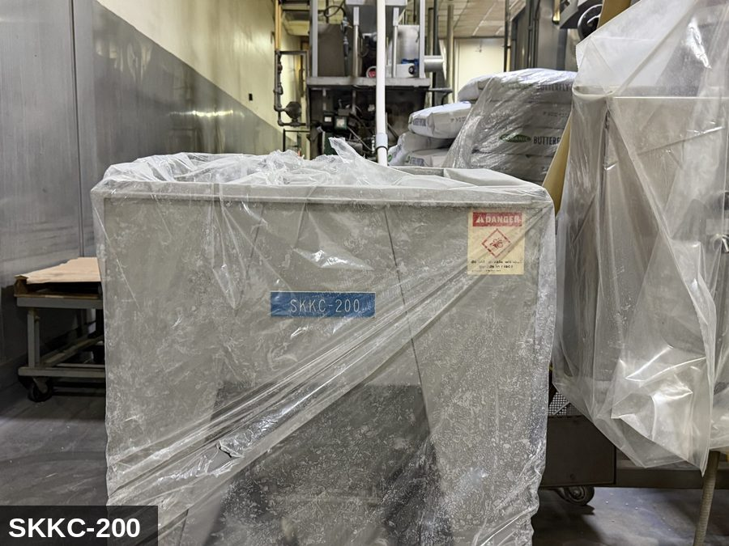

PHOTO OF EQUIPMENT |  |  |  | PHOTO OF ISOLATION / DISCONNECT
Energy Tag & Description | Isolation Procedure & Lockout Devices |  |  |  | Method of Verification
P — Pneumatic ISOLATE ENERGY TAG & DESCRIPTION — P: PNEUMATIC (P) — 80-100 PSI to actuated slide-gate or diverter (where fitted). Stored energy in cylinder. | ISOLATION PROCEDURE — PNEUMATIC: 1. After electrical isolation, locate the pneumatic supply isolation valve serving Screw Conveyor (200) (SKKC-200) — typically wall-mounted at the equipment FRL. 2. Close the air supply valve fully. 3. Apply a ball-valve lockout device and a personal padlock in the CLOSED position. 4. Apply a lockout tag. 5. Bleed residual pressure from the system using the dedicated bleed port or by manually cycling the directional control valve. 6. Confirm all cylinders have moved to their de-energized rest position. 7. Per ASME B20.1, any vertically-acting cylinder supporting a load requires an independent mechanical drop-stop in addition to pneumatic isolation. |  |  |  | METHOD OF VERIFICATION — PNEUMATIC: 1. Verify the air supply isolation valve is closed and locked. 2. Confirm all pressure gauges downstream of the lockout valve read 0 PSI. 3. Attempt to cycle each pneumatic actuator from the control panel — confirm no movement. 4. Physically operate the manual override on the directional control valve — confirm no movement. 5. Physically verify all padlocks are secure and tags legible.

E — Electrical ISOLATE ENERGY TAG & DESCRIPTION — E: ELECTRICAL (E) — 208V/480V to drive motor, VFD, controls. | ISOLATION PROCEDURE & LOCKOUT DEVICES — ELECTRICAL: 1. Notify all affected employees that LOTO is being performed on Screw Conveyor (200) (SKKC-200). 2. Complete the current cycle and press STOP, then E-STOP. 3. Locate the main electrical disconnect serving this equipment (labeled to the equipment). 4. Open the disconnect to the OFF position. 5. Apply a lockout device through the disconnect handle. Each authorized worker applies their own personal padlock (group-lock hasp if more than one worker) per Cal/OSHA §3314(k). 6. Apply a lockout tag with date, time, name, and reason. 7. If the equipment uses servo drives or VFDs, allow 5 minutes for DC-bus capacitors to discharge before opening any drive enclosure. |  |  |  | METHOD OF VERIFICATION — ELECTRICAL: 1. Use a calibrated voltage tester following the test-before-touch protocol per OSHA 1910.333: test the meter on a known live source, test the disconnect line/load terminals, then re-test the meter on the known live source. 2. Verify zero voltage at the motor or servo terminals downstream of the disconnect. 3. For servo drives / VFDs: confirm DC-bus capacitors have discharged (5-minute minimum) before opening drive enclosure. 4. Attempt to start the equipment from the control panel and HMI — confirm no response. 5. Physically verify all padlocks are secure and lockout tags are legible.

M — Mechanical ISOLATE ENERGY TAG & DESCRIPTION — M: MECHANICAL (M) — Auger/screw flighting inside the enclosed tube. Severe entanglement hazard at the drive end and through any inspection port. | ISOLATION PROCEDURE — MECHANICAL: 1. After electrical isolation per the E procedure, manually verify all rotating/reciprocating components of Screw Conveyor (200) (SKKC-200) have completely stopped. 2. Identify residual stored mechanical energy: chain tension, eccentric flywheel/cam momentum, spring-loaded covers and doors. 3. Block, chock, or pin any component that could move under its own weight or stored energy. 4. Where applicable install drive-shaft pins or transmission locks; release belt/chain tension before reaching past the guarding. 5. Apply a lockout tag at the point of mechanical work identifying the worker and the hazard. Cal/OSHA §3314 construes 'minor servicing' narrowly — default to full LOTO including mechanical blocking; do NOT rely solely on the electrical disconnect. |  |  |  | METHOD OF VERIFICATION — MECHANICAL: 1. Visually confirm all rotating and reciprocating components have completely stopped — full coast-down completed. 2. For high-speed servo equipment (case packers, palletizers): wait the manufacturer-specified coast-down before reaching past the guarding. 3. Attempt to manually rotate drive shafts at the input side or jog the system — confirm no movement or kickback. 4. Physically inspect blocks, chocks, or pins for engagement. 5. Confirm belt/chain tension has been released where applicable.

LOCKOUT REMOVAL PROCESS
1. Notify all AFFECTED employees that lockout is being removed 2. Inspect the work area to ensure tools and items have been removed 3. Verify that all employees are clear of the equipment 4. Verify that controls are in the neutral or off position |  |  |  | 5. Remove lockout devices, locks, and tags 6. Re-energize the equipment 7. Notify all AFFECTED employees that the equipment is back in service

Spanish translation on reverse — print double-sided.
Signature |  | Date |  | Dept |  |  | See PM Store in PT Folder

PROCEDIMIENTO DE BLOQUEO/ETIQUETADO
[ES] Fecha: 2026-08-29 · Escanee para placa digital
BORRADOR — NO REVISADO · traducción sin revisar
EQUIPO: SKKC-200 (Screw Conveyor - Kettle Popcorn) |  |  |  |  |  | Kettle Popcorn
¡MANTÉNGASE ALEJADO! VOLTAJE PELIGROSO Y PIEZAS EN MOVIMIENTO
PLACARD-OWNER 2026-05-13: SKKC-CONVEYOR-BANK covers 3 subordinate(s).
PROPÓSITO |  |  |  |  | PROCESO DE APLICACIÓN DE BLOQUEO
Este procedimiento establece los requisitos mínimos para el bloqueo de los dispositivos de aislamiento de energía. Garantiza que el equipo se detenga, se aísle de todas las fuentes de energía potencialmente peligrosas y se bloquee antes de realizar actividades de servicio o mantenimiento. |  |  |  |  | 1. Comunicar a todos los empleados AFECTADOS 2. Apagar el equipo usando procedimientos normales de parada 3. Aislar las fuentes de energía 4. Aplicar dispositivos de bloqueo, candados y etiquetas 5. Liberar toda la energía almacenada 6. Verificar que el equipo esté desenergizado intentando arrancarlo 7. Después de la prueba, colocar los controles en posición neutral

CÓDIGOS DE COLOR
E = Eléctrico | G = Gas |  | H = Hidráulico | P = Neumático |  | M = Mecánico |  | T = Térmico
W = Agua | S = Vapor |  | V = Válvula | CG = Gas Comprimido |  | CP = Panel Control |  | GR = Gravedad
IDENTIFICACIÓN DEL EQUIPO Y PROCEDIMIENTO DE AISLAMIENTO DE ENERGÍA

FOTO DEL EQUIPO |  |  |  | FOTO DE AISLAMIENTO / DESCONEXIÓN
Etiqueta y Descripción | Procedimiento de Aislamiento y Dispositivos |  |  |  | Método de Verificación
P — Neumático AISLAR ETIQUETA DE ENERGÍA Y DESCRIPCIÓN — P: NEUMÁTICO (P) — 80-100 PSI a compuertas deslizantes accionadas o desviadores (cuando están equipados). Energía almacenada en el cilindro. | PROCEDIMIENTO DE AISLAMIENTO — NEUMÁTICO: 1. Después del aislamiento eléctrico, localice la válvula de aislamiento del suministro neumático que sirve a Screw Conveyor (200) (SKKC-200) — típicamente montada en pared en el FRL del equipo. 2. Cierre la válvula de suministro de aire por completo. 3. Aplique un dispositivo de bloqueo de válvula de bola y un candado personal en la posición CERRADA. 4. Aplique etiqueta de bloqueo. 5. Purgue la presión residual del sistema usando el puerto de purga dedicado o ciclando manualmente la válvula direccional de control. 6. Confirme que todos los cilindros se han movido a su posición de reposo desenergizado. 7. Per ASME B20.1, cualquier cilindro de acción vertical que soporta una carga requiere un tope mecánico anti-caída independiente además del aislamiento neumático. |  |  |  | MÉTODO DE VERIFICACIÓN — NEUMÁTICO: 1. Verifique que la válvula de aislamiento de suministro de aire está cerrada y bloqueada. 2. Confirme que todos los manómetros aguas abajo de la válvula de bloqueo marcan 0 PSI. 3. Intente ciclar cada actuador neumático desde el panel de control — confirme que no hay movimiento. 4. Opere físicamente la anulación manual en la válvula direccional de control — confirme que no hay movimiento. 5. Verifique físicamente que todos los candados estén seguros y las etiquetas sean legibles.

E — Eléctrico AISLAR ETIQUETA DE ENERGÍA Y DESCRIPCIÓN — E: ELÉCTRICO (E) — 208V/480V al motor de impulsión, VFD, controles. | PROCEDIMIENTO DE AISLAMIENTO Y DISPOSITIVOS DE BLOQUEO — ELÉCTRICO: 1. Notifique a todos los empleados afectados que se está realizando LOTO en Screw Conveyor (200) (SKKC-200). 2. Complete el ciclo actual y presione PARO, luego PARO DE EMERGENCIA. 3. Localice el desconectador eléctrico principal que sirve este equipo (etiquetado al equipo). 4. Abra el desconectador a la posición OFF. 5. Aplique un dispositivo de bloqueo a través de la manija del desconectador. Cada trabajador autorizado aplica su propio candado personal (broche de candado grupal si hay más de un trabajador) per Cal/OSHA §3314(k). 6. Aplique etiqueta de bloqueo con fecha, hora, nombre y razón. 7. Si el equipo usa servo-drives o VFDs, permita 5 minutos para que los capacitores del bus DC se descarguen antes de abrir cualquier gabinete de drive. |  |  |  | MÉTODO DE VERIFICACIÓN — ELÉCTRICO: 1. Use un comprobador de voltaje calibrado siguiendo el protocolo "probar antes de tocar" per OSHA 1910.333: pruebe el medidor en una fuente viva conocida, pruebe los terminales de línea/carga del desconectador, luego re-pruebe el medidor en la fuente viva conocida. 2. Verifique cero voltaje en los terminales del motor o servo aguas abajo del desconectador. 3. Para servo-drives / VFDs: confirme que los capacitores del bus DC se han descargado (5 minutos mínimo) antes de abrir el gabinete del drive. 4. Intente arrancar el equipo desde el panel de control y HMI — confirme que no hay respuesta. 5. Verifique físicamente que todos los candados estén seguros y las etiquetas de bloqueo sean legibles.

M — Mecánico AISLAR ETIQUETA DE ENERGÍA Y DESCRIPCIÓN — M: MECÁNICO (M) — Tornillo sinfín dentro del tubo cerrado. Peligro severo de atrapamiento en el extremo de impulsión y a través de cualquier puerto de inspección. | PROCEDIMIENTO DE AISLAMIENTO — MECÁNICO: 1. Después del aislamiento eléctrico per el procedimiento E, verifique manualmente que todos los componentes rotativos/reciprocantes de Screw Conveyor (200) (SKKC-200) hayan parado completamente. 2. Identifique energía mecánica almacenada residual: tensión de cadena, inercia excéntrica de volante/leva, cubiertas y puertas accionadas por resorte. 3. Bloquee, calce o pase pasadores a cualquier componente que pudiera moverse por su propio peso o energía almacenada. 4. Donde aplique, instale pasadores en el eje de impulsión o bloqueos de transmisión; libere la tensión de banda/cadena antes de alcanzar más allá del guardado. 5. Aplique etiqueta de bloqueo en el punto de trabajo mecánico identificando al trabajador y al peligro. Cal/OSHA §3314 interpreta la excepción de "servicio menor" en forma estrecha — por defecto LOTO completo incluyendo bloqueo mecánico; NO confíe únicamente en el desconectador eléctrico. |  |  |  | MÉTODO DE VERIFICACIÓN — MECÁNICO: 1. Confirme visualmente que todos los componentes rotativos y reciprocantes han parado por completo — desaceleración completa concluida. 2. Para equipo servo de alta velocidad (empacadoras de cajas, paletizadores): espere la desaceleración especificada por el fabricante antes de alcanzar más allá del guardado. 3. Intente girar manualmente los ejes de impulsión en el lado de entrada o impulsar el sistema — confirme que no hay movimiento ni retroceso. 4. Inspeccione físicamente los bloques, calzas o pasadores en su acoplamiento. 5. Confirme que la tensión de banda/cadena ha sido liberada donde aplique.

PROCESO DE REMOCIÓN DE BLOQUEO
1. Notificar a todos los empleados AFECTADOS que se está retirando el bloqueo 2. Inspeccionar el área de trabajo para asegurar que se hayan retirado herramientas y objetos 3. Verificar que todos los empleados estén lejos del equipo 4. Verificar que los controles estén en posición neutral o apagada |  |  |  | 5. Retirar los dispositivos de bloqueo, candados y etiquetas 6. Volver a energizar el equipo 7. Notificar a los empleados AFECTADOS que el equipo está de vuelta en servicio

Traducción al inglés al reverso — imprimir a doble cara.
Firma |  | Fecha |  | Depto |  |  | Ver PM Store en carpeta PT

LOCKOUT/TAGOUT PROCEDURE
[EN] Date: 2026-08-29 · Scan for digital placard
EQUIPMENT: SKKC-220 (Oil System - Kettle Popcorn) |  |  |  |  |  | Kettle Popcorn
KEEP OUT! HAZARDOUS VOLTAGE AND MOVING PARTS
This equipment must be locked out and tagged out before servicing or maintenance. Follow the procedure below to isolate all energy sources.
PURPOSE |  |  |  |  | LOCKOUT APPLICATION PROCESS
This procedure establishes the minimum requirements for lockout of energy-isolating devices. It ensures equipment is stopped, isolated from all potentially hazardous energy sources, and locked out before any servicing or maintenance activities are performed. |  |  |  |  | 1. Communicate to all AFFECTED employees 2. Shut down the equipment using normal stopping procedures 3. Isolate energy sources 4. Apply lockout devices, locks, and tags 5. Release all stored energy 6. Verify equipment is de-energized by attempting to start up 7. After test, place controls in a neutral position

COLOR CODES
E = Electrical | G = Gas |  | H = Hydraulic | P = Pneumatic |  | M = Mechanical |  | T = Thermal
W = Water | S = Steam |  | V = Valve | CG = Compressed Gas |  | CP = Control Panel |  | GR = Gravity
EQUIPMENT IDENTIFICATION AND ENERGY ISOLATION PROCEDURE
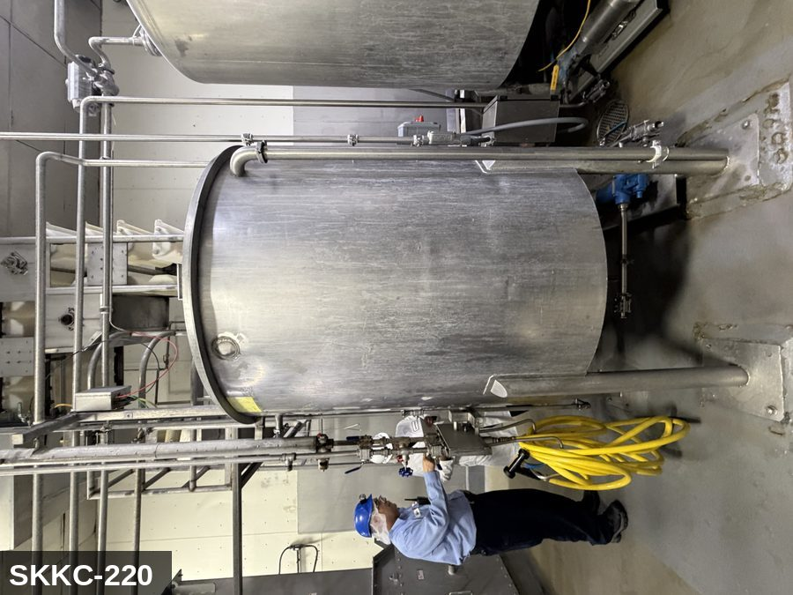 |  |  |  | 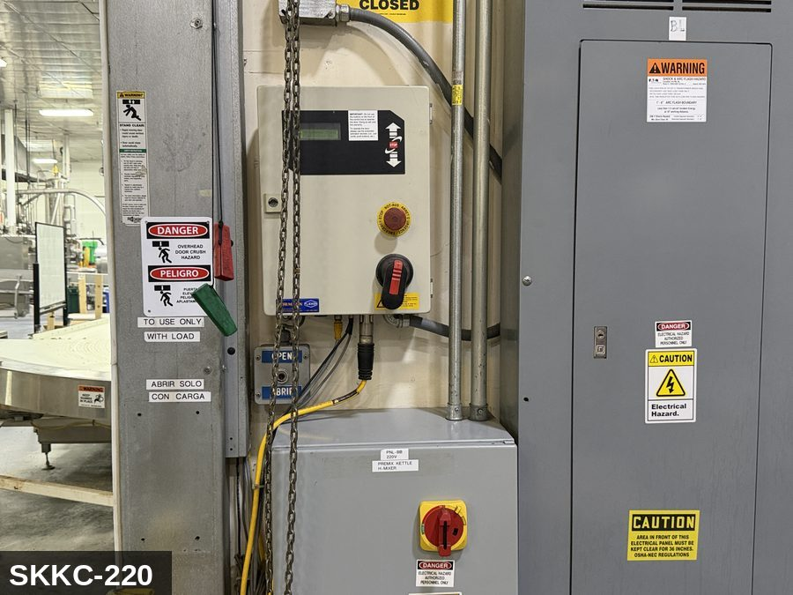

PHOTO OF EQUIPMENT |  |  |  | PHOTO OF ISOLATION / DISCONNECT
Energy Tag & Description | Isolation Procedure & Lockout Devices |  |  |  | Method of Verification
E — Electrical ISOLATE ENERGY TAG & DESCRIPTION — E: ELECTRICAL (E) — 208V/480V to transfer-pump motor, line heaters, level sensors, controls. | ISOLATION PROCEDURE & LOCKOUT DEVICES — ELECTRICAL: 1. Notify all affected employees that LOTO is being performed on Oil System (SKKC-220). 2. Complete the current cycle and press STOP, then E-STOP. 3. Locate the main electrical disconnect serving this equipment (labeled to the equipment). 4. Open the disconnect to the OFF position. 5. Apply a lockout device through the disconnect handle. Each authorized worker applies their own personal padlock (group-lock hasp if more than one worker) per Cal/OSHA §3314(k). 6. Apply a lockout tag with date, time, name, and reason. 7. If the equipment uses servo drives or VFDs, allow 5 minutes for DC-bus capacitors to discharge before opening any drive enclosure. |  |  |  | METHOD OF VERIFICATION — ELECTRICAL: 1. Use a calibrated voltage tester following the test-before-touch protocol per OSHA 1910.333: test the meter on a known live source, test the disconnect line/load terminals, then re-test the meter on the known live source. 2. Verify zero voltage at the motor or servo terminals downstream of the disconnect. 3. For servo drives / VFDs: confirm DC-bus capacitors have discharged (5-minute minimum) before opening drive enclosure. 4. Attempt to start the equipment from the control panel and HMI — confirm no response. 5. Physically verify all padlocks are secure and lockout tags are legible.

M — Mechanical ISOLATE ENERGY TAG & DESCRIPTION — M: MECHANICAL (M) — Pump impeller, drive coupling. Hot oil hazard — surface and line temperature can exceed 350°F. | ISOLATION PROCEDURE — MECHANICAL: 1. After electrical isolation per the E procedure, manually verify all rotating/reciprocating components of Oil System (SKKC-220) have completely stopped. 2. Identify residual stored mechanical energy: chain tension, eccentric flywheel/cam momentum, spring-loaded covers and doors. 3. Block, chock, or pin any component that could move under its own weight or stored energy. 4. Where applicable install drive-shaft pins or transmission locks; release belt/chain tension before reaching past the guarding. 5. Apply a lockout tag at the point of mechanical work identifying the worker and the hazard. Cal/OSHA §3314 construes 'minor servicing' narrowly — default to full LOTO including mechanical blocking; do NOT rely solely on the electrical disconnect. |  |  |  | METHOD OF VERIFICATION — MECHANICAL: 1. Visually confirm all rotating and reciprocating components have completely stopped — full coast-down completed. 2. For high-speed servo equipment (case packers, palletizers): wait the manufacturer-specified coast-down before reaching past the guarding. 3. Attempt to manually rotate drive shafts at the input side or jog the system — confirm no movement or kickback. 4. Physically inspect blocks, chocks, or pins for engagement. 5. Confirm belt/chain tension has been released where applicable.

LOCKOUT REMOVAL PROCESS
1. Notify all AFFECTED employees that lockout is being removed 2. Inspect the work area to ensure tools and items have been removed 3. Verify that all employees are clear of the equipment 4. Verify that controls are in the neutral or off position |  |  |  | 5. Remove lockout devices, locks, and tags 6. Re-energize the equipment 7. Notify all AFFECTED employees that the equipment is back in service

Spanish translation on reverse — print double-sided.
Signature |  | Date |  | Dept |  |  | See PM Store in PT Folder

PROCEDIMIENTO DE BLOQUEO/ETIQUETADO
[ES] Fecha: 2026-08-29 · Escanee para placa digital
BORRADOR — NO REVISADO · traducción sin revisar
EQUIPO: SKKC-220 (Oil System - Kettle Popcorn) |  |  |  |  |  | Kettle Popcorn
¡MANTÉNGASE ALEJADO! VOLTAJE PELIGROSO Y PIEZAS EN MOVIMIENTO
Este equipo debe bloquearse y etiquetarse antes de darle servicio o mantenimiento. Siga el procedimiento a continuación para aislar todas las fuentes de energía.
PROPÓSITO |  |  |  |  | PROCESO DE APLICACIÓN DE BLOQUEO
Este procedimiento establece los requisitos mínimos para el bloqueo de los dispositivos de aislamiento de energía. Garantiza que el equipo se detenga, se aísle de todas las fuentes de energía potencialmente peligrosas y se bloquee antes de realizar actividades de servicio o mantenimiento. |  |  |  |  | 1. Comunicar a todos los empleados AFECTADOS 2. Apagar el equipo usando procedimientos normales de parada 3. Aislar las fuentes de energía 4. Aplicar dispositivos de bloqueo, candados y etiquetas 5. Liberar toda la energía almacenada 6. Verificar que el equipo esté desenergizado intentando arrancarlo 7. Después de la prueba, colocar los controles en posición neutral

CÓDIGOS DE COLOR
E = Eléctrico | G = Gas |  | H = Hidráulico | P = Neumático |  | M = Mecánico |  | T = Térmico
W = Agua | S = Vapor |  | V = Válvula | CG = Gas Comprimido |  | CP = Panel Control |  | GR = Gravedad
IDENTIFICACIÓN DEL EQUIPO Y PROCEDIMIENTO DE AISLAMIENTO DE ENERGÍA

FOTO DEL EQUIPO |  |  |  | FOTO DE AISLAMIENTO / DESCONEXIÓN
Etiqueta y Descripción | Procedimiento de Aislamiento y Dispositivos |  |  |  | Método de Verificación
E — Eléctrico AISLAR ETIQUETA DE ENERGÍA Y DESCRIPCIÓN — E: ELÉCTRICO (E) — 208V/480V al motor de la bomba de transferencia, calentadores de línea, sensores de nivel, controles. | PROCEDIMIENTO DE AISLAMIENTO Y DISPOSITIVOS DE BLOQUEO — ELÉCTRICO: 1. Notifique a todos los empleados afectados que se está realizando LOTO en Oil System (SKKC-220). 2. Complete el ciclo actual y presione PARO, luego PARO DE EMERGENCIA. 3. Localice el desconectador eléctrico principal que sirve este equipo (etiquetado al equipo). 4. Abra el desconectador a la posición OFF. 5. Aplique un dispositivo de bloqueo a través de la manija del desconectador. Cada trabajador autorizado aplica su propio candado personal (broche de candado grupal si hay más de un trabajador) per Cal/OSHA §3314(k). 6. Aplique etiqueta de bloqueo con fecha, hora, nombre y razón. 7. Si el equipo usa servo-drives o VFDs, permita 5 minutos para que los capacitores del bus DC se descarguen antes de abrir cualquier gabinete de drive. |  |  |  | MÉTODO DE VERIFICACIÓN — ELÉCTRICO: 1. Use un comprobador de voltaje calibrado siguiendo el protocolo "probar antes de tocar" per OSHA 1910.333: pruebe el medidor en una fuente viva conocida, pruebe los terminales de línea/carga del desconectador, luego re-pruebe el medidor en la fuente viva conocida. 2. Verifique cero voltaje en los terminales del motor o servo aguas abajo del desconectador. 3. Para servo-drives / VFDs: confirme que los capacitores del bus DC se han descargado (5 minutos mínimo) antes de abrir el gabinete del drive. 4. Intente arrancar el equipo desde el panel de control y HMI — confirme que no hay respuesta. 5. Verifique físicamente que todos los candados estén seguros y las etiquetas de bloqueo sean legibles.

M — Mecánico AISLAR ETIQUETA DE ENERGÍA Y DESCRIPCIÓN — M: MECÁNICO (M) — Impulsor de bomba, acoplamiento de impulsión. Peligro de aceite caliente — la temperatura de superficie y de línea puede exceder 350°F. | PROCEDIMIENTO DE AISLAMIENTO — MECÁNICO: 1. Después del aislamiento eléctrico per el procedimiento E, verifique manualmente que todos los componentes rotativos/reciprocantes de Oil System (SKKC-220) hayan parado completamente. 2. Identifique energía mecánica almacenada residual: tensión de cadena, inercia excéntrica de volante/leva, cubiertas y puertas accionadas por resorte. 3. Bloquee, calce o pase pasadores a cualquier componente que pudiera moverse por su propio peso o energía almacenada. 4. Donde aplique, instale pasadores en el eje de impulsión o bloqueos de transmisión; libere la tensión de banda/cadena antes de alcanzar más allá del guardado. 5. Aplique etiqueta de bloqueo en el punto de trabajo mecánico identificando al trabajador y al peligro. Cal/OSHA §3314 interpreta la excepción de "servicio menor" en forma estrecha — por defecto LOTO completo incluyendo bloqueo mecánico; NO confíe únicamente en el desconectador eléctrico. |  |  |  | MÉTODO DE VERIFICACIÓN — MECÁNICO: 1. Confirme visualmente que todos los componentes rotativos y reciprocantes han parado por completo — desaceleración completa concluida. 2. Para equipo servo de alta velocidad (empacadoras de cajas, paletizadores): espere la desaceleración especificada por el fabricante antes de alcanzar más allá del guardado. 3. Intente girar manualmente los ejes de impulsión en el lado de entrada o impulsar el sistema — confirme que no hay movimiento ni retroceso. 4. Inspeccione físicamente los bloques, calzas o pasadores en su acoplamiento. 5. Confirme que la tensión de banda/cadena ha sido liberada donde aplique.
...
COLOR CODES
E = Electrical | G = Gas |  | H = Hydraulic | P = Pneumatic |  | M = Mechanical |  | T = Thermal
W = Water | S = Steam |  | V = Valve | CG = Compressed Gas |  | CP = Control Panel |  | GR = Gravity
EQUIPMENT IDENTIFICATION AND ENERGY ISOLATION PROCEDURE
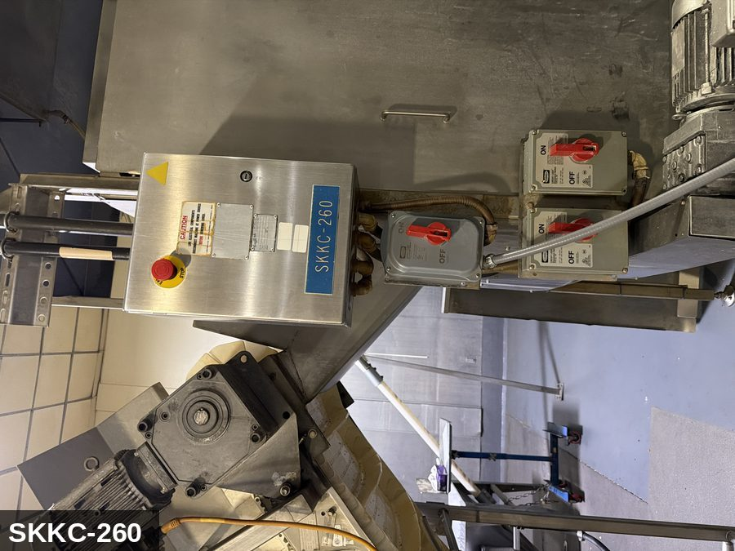 |  |  |  | 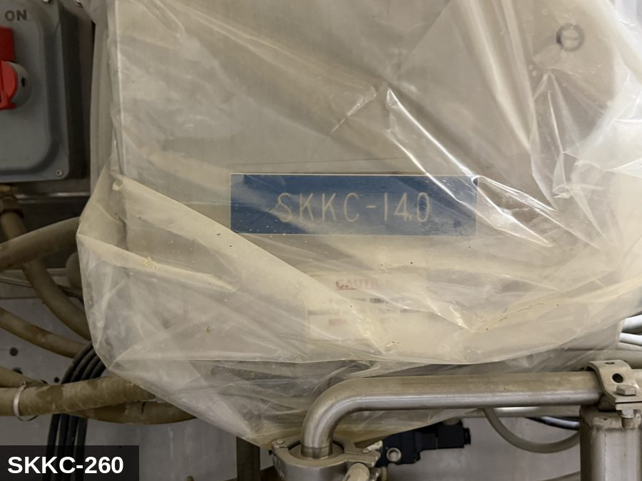
...
COLOR CODES
E = Electrical | G = Gas |  | H = Hydraulic | P = Pneumatic |  | M = Mechanical |  | T = Thermal
W = Water | S = Steam |  | V = Valve | CG = Compressed Gas |  | CP = Control Panel |  | GR = Gravity
EQUIPMENT IDENTIFICATION AND ENERGY ISOLATION PROCEDURE
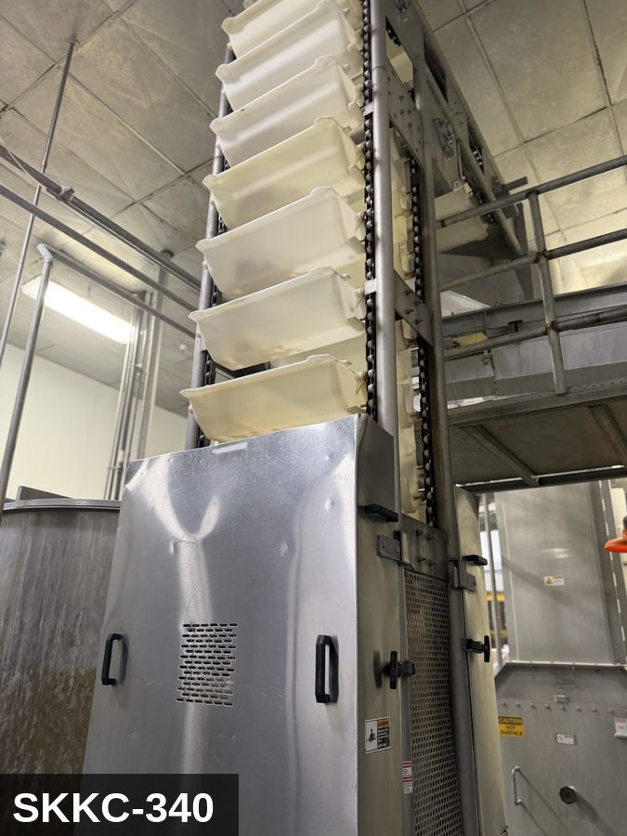 |  |  |  | 


